HOW TO USE THIS TOOL
Understanding Racial Disparity in Your CoC
 | Each community has unique circumstances impacting homeless populations. The CoC Analysis Tool draws on Point-In-Time Count and American Community Survey data to facilitate analysis of racial disparities among people experiencing homelessness. Such an analysis is a critical first step in identifying and changing racial and ethnic bias in our systems and services.
How to Use the Tool
 | Select a CoC from the dropdown at the top of the Dashboard tab. The charts and tables will automatically populate with local and state data.
 | The first bar chart shows racial distributions for the selected CoC for all people living in poverty, people experiencing homelessness, and people experiencing unsheltered homelessness. By comparing racial distributions between persons experiencing homelessness and persons experiencing poverty, we are able to identify racial disparities in homelessness that poverty alone cannot account for.
 | The bar charts also include the racial distribution for individuals in families with children who were experiencing homelessness. Note: for these individuals, the race data is based on the racial identity of the head of household. It is a proxy and may not accurately represent the racial identity of all household members.
 | The bar chart in the center and on the right show the racial disparities for youth and veterans experiencing homelessness, respectively.
Example Reading of Distribution of Race Chart

 | For example, when reading the chart below, we see that 17% of all people living in poverty in the CoC identified as Black in the 2011-2015 American Community Survey. We also see that 33% of people experiencing homelessness in the Point-In-Time Count identified as Black. This demonstrates a large racial disparity in homelessness, beyond the impact of poverty alone. What other factors might contribute to this disparity?
 | Looking at families with children experiencing homelessness in this sample CoC, though we see that 29% of those living in poverty are white, only 18% of people in families with children that are experiencing homelessness are white.
 | Note: Race data for individuals in families is based on the racial identity of the head of household. It is a proxy and may not accurately represent the racial identity of all household members.
 | 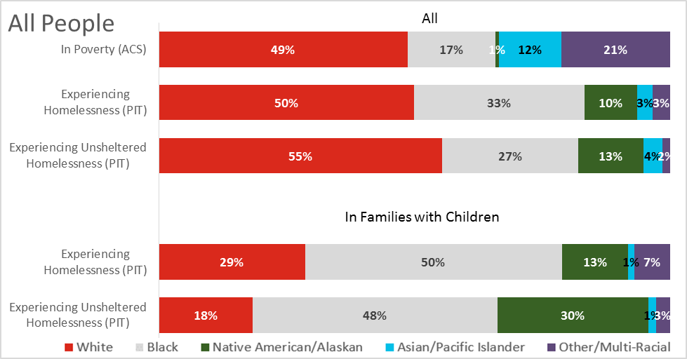

 | The next set of bar charts in the Dashboard displays the distribution of Hispanic and Non-Hispanic groups in the same configurations, enabling a comparison between rates of poverty and rates of homelessness amongst singles, families, youth, and veterans.
 | The CoC Data tables below the charts include the data that is represented in the charts as well as additional detail, including overall racial distribution in the CoC and racial distribution among persons experiencing sheltered homelessness.
 | The State Data table provides a broader context with racial distributions for the entire state, those in poverty, and persons experiencing homelessness, with a breakout of families with children.
Example Reading of CoC Data Table

 | In this example CoC, 23% of people in families with children are Hispanic. We see higher rates of Hispanic ethnicity when we look at families in poverty, at 30%, and even higher rates for families experiencing homelessness, at 45%.

Technical Notes
1. | When you first open the document, select Enable Content in the yellow bar.
2. | If you get a pop-up asking to make it a trusted document, select "Yes"
3. | In order to best view the charts and tables on your monitor or for printing, you may need to adjust the zoom in the lower right corner of the Excel window.
4. | Scroll to the right to view all three bar graphs and two data tables.
5. | Percentages of 5% or less might be difficult to view in the charts at the top of the page, but can be referenced in the corresponding tables below.
6. | If you see #### instead of a number in a cell, widen the column until you can see the numbers.
7. | Blank cells in the tables indicate that data is not available for that subpopulation.
Do NOT…
1. | Hide rows below 69 on the DASHBOARD tab. These are necessary for the charts.
2. | Modify table cells on the DASHBOARD tab. Doing so will overwrite the formulas.
Discussion Questions for your CoC
1. | How does your CoC compare to state numbers. Are any racial groups over- or under-represented among the homeless population in your CoC?
2. | Are there specific local or state conditions that might lead to these differences?
3. | In PIT counts, are there significant differences between sheltered and unsheltered counts as far as over- or under-representation? Why might that be?
4. | Are there differences between families and individuals in terms of racial distribution?
5. | What does the youth data look like compared to all households? What about youth in families with children?
6. | What about veterans in your community? What do you know about your own community that gives context to the data?

DASHBOARD
2017
 | CoC Racial Equity Analysis Tool
 | Homelessness and poverty counts at the CoC and State level
 | Select your CoC
 | NY-603 | Nassau, Suffolk Counties/Babylon/Islip/ Huntington CoC

Distribution of Race
All People
 | White | Black | Native American/Alaskan | Asian/Pacific Islander | Other/Multi-Racial | White | Black | Native American/Alaskan | Asian/Pacific Islander | Other/Multi-Racial | White | Black
In Poverty (ACS) | 58% | 16% | 1% | 6% | 20%
Experiencing Homelessness (PIT) |  |  |  |  |  | 36% | 56% | 2% | 1% | 6%
Experiencing Unsheltered Homelessness (PIT) |  |  |  |  |  |  |  |  |  |  | 0.6875 | 0.28125
Experiencing Homelessness (PIT) |  |  |  |  |  | 27% | 62% | 2% | 1% | 8%
Experiencing Unsheltered Homelessness (PIT) |  |  |  |  |  |  |  |  |  |  | 0 | 0
Youth*
 | White | Black | Native American/Alaskan | Asian/Pacific Islander | Other/Multi-Racial | White | Black | Native American/Alaskan | Asian/Pacific Islander | Other/Multi-Racial | White | Black
Experiencing Homelessness (PIT) |  |  |  |  |  | 39% | 53% | 2% | 1% | 6%
Experiencing Unsheltered Homelessness (PIT) |  |  |  |  |  |  |  |  |  |  | 1 | 0
Experiencing Homelessness (PIT) |  |  |  |  |  | 27% | 62% | 2% | 1% | 8%
Experiencing Unsheltered Homelessness (PIT) |  |  |  |  |  |  |  |  |  |  | 0 | 0
Veterans
 | White | Black | Native American/Alaskan | Asian/Pacific Islander | Other/Multi-Racial | White | Black | Native American/Alaskan | Asian/Pacific Islander | Other/Multi-Racial | White | Black
Experiencing Homelessness (PIT) |  |  |  |  |  | 62% | 35% | 1% | 0% | 1%
Experiencing Unsheltered Homelessness (PIT) |  |  |  |  |  |  |  |  |  |  | 1 | 0
Youth Poverty Data Not Available
Veteran Poverty Data Not Available

Data about Veterans in Families Not Available

All People
 | Hispanic | Non-Hispanic | Hispanic | Non-Hispanic | Hispanic | Non-Hispanic
In Poverty (ACS) | 32% | 68%
Experiencing Homelessness (PIT) |  |  | 19% | 81%
Experiencing Unsheltered Homelessness (PIT) |  |  |  |  | 13% | 88%
Experiencing Homelessness (PIT) |  |  | 20% | 80%
Experiencing Unsheltered Homelessness (PIT) |  |  |  |  | 0% | 0%
Youth*
 | Hispanic | Non-Hispanic | Hispanic | Non-Hispanic | Hispanic | Non-Hispanic
Experiencing Homelessness (PIT) |  |  | 18% | 82%
Experiencing Unsheltered Homelessness (PIT) |  |  |  |  | 33% | 67%
Experiencing Homelessness (PIT) |  |  | 20% | 80%
Experiencing Unsheltered Homelessness (PIT) |  |  |  |  | 0% | 0%
Veterans
 | Hispanic | Non-Hispanic | Hispanic | Non-Hispanic | Hispanic | Non-Hispanic
Experiencing Homelessness (PIT) |  |  | 10% | 90%
Experiencing Unsheltered Homelessness (PIT) |  |  |  |  | 0% | 100%
 |  |  |  |  |  |  |  |  | *Youth are individuals under the age of 25 who are unaccompanied or parenting.
Distribution of Ethnicity

Youth Poverty Data Not Available
Veteran Poverty Data Not Available

Data about Veterans in Families Not Available

 |  |  |  |  |  |  |  |  | *Youth experiencing homelessness is limited to unaccompanied and parenting youth persons under 25.

 | CoC Data |  |  |  |  |  |  |  |  |  |  |  |  |  |  |  |  |  |  |  |  | State Data
 | Race and Ethnicity | All (ACS)1 |  |  |  | In Poverty (ACS)1 |  |  |  | Experiencing Homelessness (PIT)2 |  |  |  | Experiencing Sheltered Homelessness (PIT)2 |  |  |  | Experiencing Unsheltered Homelessness (PIT)2 |  |  |  | Race and Ethnicity | All (ACS)1 |  |  |  | In Poverty (ACS)1 |  |  |  | Experiencing Homelessness (PIT)2
 |  | All |  | In Families with Children |  | All |  | In Families with Children |  | All |  | In Families with Children |  | All |  | In Families with Children |  | All |  | In Families with Children |  |  | All |  | In Families with Children |  | All |  | In Families with Children |  | All |  | In Families with Children
 |  | # | % | # | % | # | % | # | % | # | % | # | % | # | % | # | % | # | % | # | % |  | # | % | # | % | # | % | # | % | # | % | # | %
 | All People | 2,855,985 |  | 2,519,984 |  | 185,415 |  | 137,632 |  | 3,937 |  | 2,943 |  | 3,873 |  | 2,943 |  | 64 |  | 0 |  | All People | 19,668,538 |  | 15,728,172 |  | 3,005,943 |  | 2,181,168 |  | 89,503 |  | 52,113
 | Race |  |  |  |  |  |  |  |  |  |  |  |  |  |  |  |  |  |  |  |  | Race
 | White | 2,166,688 | 76% | 1,911,720 | 76% | 106,654 | 58% | 79,057 | 57% | 1,402 | 36% | 798 | 27% | 1,358 | 35% | 798 | 27% | 44 | 69% | 0 | 0% | White | 12,700,000 | 65% | 9,922,131 | 63% | 1,404,979 | 47% | 917,251 | 42% | 19,894 | 22% | 9,939 | 19%
 | Black | 269,360 | 9% | 239,260 | 9% | 29,703 | 16% | 22,082 | 16% | 2,196 | 56% | 1838 | 62% | 2,178 | 56% | 1838 | 62% | 18 | 28% | 0 | 0% | Black | 3,070,392 | 16% | 2,458,956 | 16% | 691,900 | 23% | 519,516 | 24% | 61,463 | 69% | 38,047 | 73%
 | Native American/Alaskan | 6,484 | 0% | 5,625 | 0% | 1,499 | 1% | 1,114 | 1% | 63 | 2% | 51 | 2% | 63 | 2% | 51 | 2% | 0 | 0% | 0 | 0% | Native American/Alaskan | 74,793 | 0% | 60,630 | 0% | 19,805 | 1% | 15,246 | 1% | 729 | 1% | 470 | 1%
 | Asian/Pacific Islander | 172,649 | 6% | 159,098 | 6% | 10,450 | 6% | 7,673 | 6% | 38 | 1% | 29 | 1% | 38 | 1% | 29 | 1% | 0 | 0% | 0 | 0% | Asian/Pacific Islander | 1,570,223 | 8% | 1,334,863 | 8% | 278,136 | 9% | 213,247 | 10% | 2,247 | 3% | 1,279 | 2%
 | Other/Multi-Racial | 240,804 | 8% | 204,281 | 8% | 37,109 | 20% | 27,706 | 20% | 238 | 6% | 227 | 8% | 236 | 6% | 227 | 8% | 2 | 3% | 0 | 0% | Other/Multi-Racial | 2,253,130 | 11% | 1,951,592 | 12% | 611,123 | 20% | 515,908 | 24% | 5,170 | 6% | 2,378 | 5%
 | Ethnicity |  |  |  |  |  |  |  |  |  |  |  |  |  |  |  |  |  |  |  |  | Ethnicity
 | Hispanic | 480,768 | 17% | 418,540 | 17% | 59,660 | 32% | 44,302 | 32% | 741 | 19% | 600 | 20% | 733 | 19% | 600 | 20% | 8 | 13% | 0 | 0% | Hispanic | 3,619,658 | 18% | 3,108,717 | 20% | 917,179 | 31% | 757,257 | 35% | 29,408 | 33% | 19,558 | 38%
 | Non-Hispanic | 2,375,217 | 83% | 2,101,444 | 83% | 125,755 | 68% | 93,330 | 68% | 3,196 | 81% | 2343 | 80% | 3,140 | 81% | 2343 | 80% | 56 | 88% | 0 | 0% | Non-Hispanic | 16,048,880 | 82% | 12,619,455 | 80% | 2,088,764 | 69% | 1,423,911 | 65% | 60,095 | 67% | 32,555 | 62%
 | Youth <25 | 901,230 |  | NOT AVAILABLE |  |  |  |  |  | 337 |  | 219 |  | 334 |  | 219 |  | 3 |  | 0 |  | Youth <25 | 6,237,379 |  | NOT AVAILABLE |  | 1,331,958 |  | NOT AVAILABLE |  | 5,849 |  | 3,020
 | Race |  |  |  |  |  |  |  |  |  |  |  |  |  |  |  |  |  |  |  |  | Race
 | White | 633,575 | 70% | -- | -- | -- | -- | -- | -- | 131 | 39% | 59 | 27% | 128 | 38% | 59 | 27% | 3 | 100% | 0 | 0% | White | 3,670,002 | 59% | -- | -- | 579,545 | 44% | -- | -- | 1,411 | 24% | 613 | 20%
 | Black | 99,221 | 11% | -- | -- | -- | -- | -- | -- | 178 | 53% | 136 | 62% | 178 | 53% | 136 | 62% | 0 | 0% | 0 | 0% | Black | 1,086,972 | 17% | -- | -- | 319,878 | 24% | -- | -- | 3,986 | 68% | 2,163 | 72%
 | Native American/Alaskan | 2,660 | 0% | -- | -- | -- | -- | -- | -- | 6 | 2% | 4 | 2% | 6 | 2% | 4 | 2% | 0 | 0% | 0 | 0% | Native American/Alaskan | 28,027 | 0% | -- | -- | 9,209 | 1% | -- | -- | 42 | 1% | 20 | 1%
 | Asian/Pacific Islander | 57,229 | 6% | -- | -- | -- | -- | -- | -- | 3 | 1% | 2 | 1% | 3 | 1% | 2 | 1% | 0 | 0% | 0 | 0% | Asian/Pacific Islander | 473,862 | 8% | -- | -- | 109,428 | 8% | -- | -- | 144 | 2% | 52 | 2%
 | Other/Multi-Racial | 108,545 | 12% | -- | -- | -- | -- | -- | -- | 19 | 6% | 18 | 8% | 19 | 6% | 18 | 8% | 0 | 0% | 0 | 0% | Other/Multi-Racial | 978,516 | 16% | -- | -- | 313,898 | 24% | -- | -- | 266 | 5% | 172 | 6%
 | Ethnicity |  |  |  |  |  |  |  |  |  |  |  |  |  |  |  |  |  |  |  |  | Ethnicity
 | Hispanic | 198,877 | 22% | -- | -- | -- | -- | -- | -- | 62 | 18% | 44 | 20% | 61 | 18% | 44 | 20% | 1 | 33% | 0 | 0% | Hispanic | 1,436,647 | 23% | -- | -- | 444,229 | 33% | -- | -- | 1,859 | 32% | 1,117 | 37%
 | Non-Hispanic | 702,353 | 78% | -- | -- | -- | -- | -- | -- | 275 | 82% | 175 | 80% | 273 | 82% | 175 | 80% | 2 | 67% | 0 | 0% | Non-Hispanic | 4,800,732 | 77% | -- | -- | 887,729 | 67% | -- | -- | 3,990 | 68% | 1,903 | 63%
 | Veterans | 253,126 |  | NOT AVAILABLE |  |  |  |  |  | 141 |  | NOT AVAILABLE |  | 138 |  | NOT AVAILABLE |  | 3 | 100% | NOT AVAILABLE |  | Veterans | 828,586 |  | NOT AVAILABLE |  |  |  |  |  | 1,244 |  | NOT AVAILABLE
 | Race |  |  |  |  |  |  |  |  |  |  |  |  |  |  |  |  |  |  |  |  | Race
 | White | 228,222 | 90% | -- | -- | -- | -- | -- | -- | 88 | 62% | -- | -- | 85 | 62% | -- | -- | 3 | 100% | -- | -- | White | 697,525 | 84% | -- | -- | -- | -- | -- | -- | 542 | 44% | -- | --
 | Black | 16,486 | 7% | -- | -- | -- | -- | -- | -- | 49 | 35% | -- | -- | 49 | 36% | -- | -- | 0 | 0% | -- | -- | Black | 89,220 | 11% | -- | -- | -- | -- | -- | -- | 651 | 52% | -- | --
 | Native American/Alaskan | 0 | 0% | -- | -- | -- | -- | -- | -- | 2 | 1% | -- | -- | 2 | 1% | -- | -- | 0 | 0% | -- | -- | Native American/Alaskan | 2,968 | 0% | -- | -- | -- | -- | -- | -- | 9 | 1% | -- | --
 | Asian/Pacific Islander | 1,365 | 1% | -- | -- | -- | -- | -- | -- | 0 | 0% | -- | -- | 0 | 0% | -- | -- | 0 | 0% | -- | -- | Asian/Pacific Islander | 10,127 | 1% | -- | -- | -- | -- | -- | -- | 7 | 1% | -- | --
 | Other/Multi-Racial | 7,052 | 3% | -- | -- | -- | -- | -- | -- | 2 | 1% | -- | -- | 2 | 1% | -- | -- | 0 | 0% | -- | -- | Other/Multi-Racial | 28,746 | 3% | -- | -- | -- | -- | -- | -- | 35 | 3% | -- | --
 | Ethnicity |  |  |  |  |  |  |  |  |  |  |  |  |  |  |  |  |  |  |  |  | Ethnicity
 | Hispanic | 15,882 | 6% | -- | -- | -- | -- | -- | -- | 14 | 10% | -- | -- | 14 | 10% | -- | -- | 0 | 0% | -- | -- | Hispanic | 57,847 | 7% | -- | -- | -- | -- | -- | -- | 175 | 14% | -- | --
 | Non-Hispanic | 237,244 | 94% | -- | -- | -- | -- | -- | -- | 127 | 90% | -- | -- | 124 | 90% | -- | -- | 3 | 100% | -- | -- | Non-Hispanic | 770,739 | 93% | -- | -- | -- | -- | -- | -- | 1,069 | 86% | -- | --
 | Sources:
 | 1 American Community Survey (ACS) 2011-2015 5-yr estimates; Veteran CoC data comes from the ACS 2015 1-yr estimates; Total youth in the American Community Survey is a rollup of race estimates of all persons under 25.
 | 2 Point-In-Time (PIT) 2017 data
 | Note: Race estimates of individuals in families with children are based on the race of the householder.
 |  | In Poverty |  |  |  |  |  |  | All Homeless |  |  |  |  | Unsheltered Homeless
 |  | CoC Population | CoC Population | CoC Population | CoC Population | CoC Population | CoC Population |  | CoC Population Experiencing Homelessness | CoC Population Experiencing Homelessness | CoC Population Experiencing Homelessness | CoC Population Experiencing Homelessness | CoC Population Experiencing Homelessness | CoC Population Experiencing Unsheltered Homelessness | CoC Population Experiencing Unsheltered Homelessness | CoC Population Experiencing Unsheltered Homelessness | CoC Population Experiencing Unsheltered Homelessness | CoC Population Experiencing Unsheltered Homelessness
 |  | White | Black | White | Black | Native American/Alaskan | Asian/Pacific Islander | Other/Multi-Racial | White | Black | Native American/Alaskan | Asian/Pacific Islander | Other/Multi-Racial | White | Black | Native American/Alaskan | Asian/Pacific Islander | Other/Multi-Racial

 | In Poverty (ACS) | 58% | 16% | 57% | 16% | 1% | 6% | 20%
 | Experiencing Homelessness (PIT) |  |  |  |  |  |  |  | 36% | 56% | 2% | 1% | 6%
 | Experiencing Unsheltered Homelessness (PIT) |  |  |  |  |  |  |  |  |  |  |  |  | 69% | 28% | 0% | 0% | 3%

 | Experiencing Homelessness (PIT) |  |  |  |  |  |  |  | 27% | 62% | 2% | 1% | 8%
 | Experiencing Unsheltered Homelessness (PIT) |  |  |  |  |  |  |  |  |  |  |  |  | 0% | 0% | 0% | 0% | 0%

 |  | White | Black | White | Black | Native American/Alaskan | Asian/Pacific Islander | Other/Multi-Racial | White | Black | Native American/Alaskan | Asian/Pacific Islander | Other/Multi-Racial | White | Black | Native American/Alaskan | Asian/Pacific Islander | Other/Multi-Racial

YOUTH
YOUTH | Experiencing Homelessness (PIT) |  |  |  |  |  |  |  | 39% | 53% | 2% | 1% | 6%
YOUTH | Experiencing Unsheltered Homelessness (PIT) |  |  |  |  |  |  |  |  |  |  |  |  | 100% | 0% | 0% | 0% | 0%
YOUTH
YOUTH | Experiencing Homelessness (PIT) |  |  |  |  |  |  |  | 27% | 62% | 2% | 1% | 8%
YOUTH | Experiencing Unsheltered Homelessness (PIT) |  |  |  |  |  |  |  |  |  |  |  |  | 0% | 0% | 0% | 0% | 0%

 |  | White | Black | White | Black | Native American/Alaskan | Asian/Pacific Islander | Other/Multi-Racial | White | Black | Native American/Alaskan | Asian/Pacific Islander | Other/Multi-Racial | White | Black | Native American/Alaskan | Asian/Pacific Islander | Other/Multi-Racial

VETERAN | Experiencing Homelessness (PIT) |  |  |  |  |  |  |  | 62% | 35% | 1% | 0% | 1%
VETERAN | Experiencing Unsheltered Homelessness (PIT) |  |  |  |  |  |  |  |  |  |  |  |  | 100% | 0% | 0% | 0% | 0%
VETERAN

 |  | Hispanic | Non-Hispanic | Hispanic | Non-Hispanic | Hispanic | Non-Hispanic

 | In Poverty (ACS) | 32% | 68%
 | Experiencing Homelessness (PIT) |  |  | 19% | 81%
 | Experiencing Unsheltered Homelessness (PIT) |  |  |  |  | 13% | 88%

 | Experiencing Homelessness (PIT) |  |  | 20% | 80%
 | Experiencing Unsheltered Homelessness (PIT) |  |  |  |  | 0% | 0%

 |  | Hispanic | Non-Hispanic | Hispanic | Non-Hispanic | Hispanic | Non-Hispanic

YOUTH | Experiencing Homelessness (PIT) |  |  | 18% | 82%
YOUTH | Experiencing Unsheltered Homelessness (PIT) |  |  |  |  | 33% | 67%
YOUTH
YOUTH | Experiencing Homelessness (PIT) |  |  | 20% | 80%
YOUTH | Experiencing Unsheltered Homelessness (PIT) |  |  |  |  | 0% | 0%

 |  | Hispanic | Non-Hispanic | Hispanic | Non-Hispanic | Hispanic | Non-Hispanic

VETERAN | Experiencing Homelessness (PIT) |  |  | 10% | 90%
VETERAN | Experiencing Unsheltered Homelessness (PIT) |  |  |  |  | 0% | 100%
VETERAN

METHODOLOGY
Methodology Notes
Definition and Data Sources for Homelessness
 | The number of people experiencing homelessness represented in this tool is drawn from the 2017 Point-In-Time (PIT) Count data reported in the Annual Homeless Assessment Report (AHAR) to the U.S Congress. PIT Counts are unduplicated 1-night estimates of sheltered and unsheltered homeless populations conducted by CoCs nationwide during the last week of January each year.
 | People who are experiencing sheltered homelessness are defined as "an individual or family living in a supervised publicly or privately operated shelter designated to provide temporary living arrangement (including congregrate shelters, transitional housing, and hotels and motels paid for by charitable organizations or by federal, state, or local government programs for low-income individuals," as defined at 24 CFR 578.3 of the Homeless Definition Final Rule.
 | People who are experiencing unsheltered homelessness are defined as "an individual or family with a primary nighttime residence that is a public or private place not designed for or ordinarily used as a regular sleeping accommodation for human beings, including a car, park, abandoned building, bus or train station, airport, or camping ground," as defined at 24 CFR 578.3 of the Homeless Definition Final Rule.
 | For more information on homelessness definitions, see the Homeless Emergency Assistance and Rapid Transition to Housing (HEARTH) Defining Homeless Final Rule:
 | https://www.hudexchange.info/resource/1928/hearth-defining-homeless-final-rule/
 | PIT Count data is not perfect- methodologies vary place to place and year to year; the unsheltered count is particularly challenging. While some CoC PIT data may include duplication of households, it is more likely that PIT data is an undercount, due to not all homeless households being identified. Staffing, weather, and geography all have an impact on the data. In most communities there remains a need for improved data accuracy and increased cultural competence in outreach and engagement.
 | Nevertheless, PIT Count Data is an important indicator to consider, and our best available estimate of rates of homelessness in a given community. More information on the PIT Count and AHAR can be found here:
 | https://www.hudexchange.info/homelessness-assistance/ahar/
Definition and Data Sources for Poverty and Race
 | Individuals are counted as being in poverty if they are part of a household whose total annual income is less than the poverty threshold. Threshold levels are set by household size, but are not adjusted by location. For this reason, the impact of poverty on housing affordability varies from community to community. For more information on how poverty is measured, see below:
 | https://www.census.gov/topics/income-poverty/poverty/about.html
 | The racial distributions of people living in poverty are sourced from the American Community Survey (ACS) 2011-2015 5-year estimates. The CoC estimates were determined from Block Group (BG) estimates along with a BG-to-CoC crosswalk, created based on ArcGIS mapping software. Except for total race-specific BG estimates, which were obtained directly from FactFinder's TIGER data, all other BG estimates were calculated from county-level percentages of the given category, by race, multiplied by total BG counts for the given category. For example:
 | BG-level black people in poverty = County-level percent of people in poverty that are black * BG-level all people in poverty
 | The Veteran CoC data comes from the ACS 2015 1-year estimates. More information about the ACS can be found here:
 | United State Census Bureau: American Fact Finder
 | Race data for individuals in families is based on the racial identity of the head of household. It is a proxy and may not accurately represent the racial identity of all household members.
 | The race categories used in this analysis may not accurately reflect the racial identities and lived experience of individuals. The availability of this data, however imperfect, provides a starting place to examine racial disparities in each CoC.
Coming Soon: A Deeper Dive
 | In 2018, the Longitudinal Systems Analysis (LSA) will replace the Annual Homeless Assessment Report (AHAR) as the primary mechanism for reporting demographic and system use data to HUD. The HMIS-based LSA report will provide detailed outcomes that will help you understand how effectively your CoC is serving communities of color. Future CoC Analysis tools will allow assessment of racial disparities for different household types and population groups in three core measures:
 | · The length of time people spend homeless and in the service system,
 | · Successfully exiting homelessness to permanent housing, and
 | · The degree to which households that are housed then fall back into homelessness.
 | 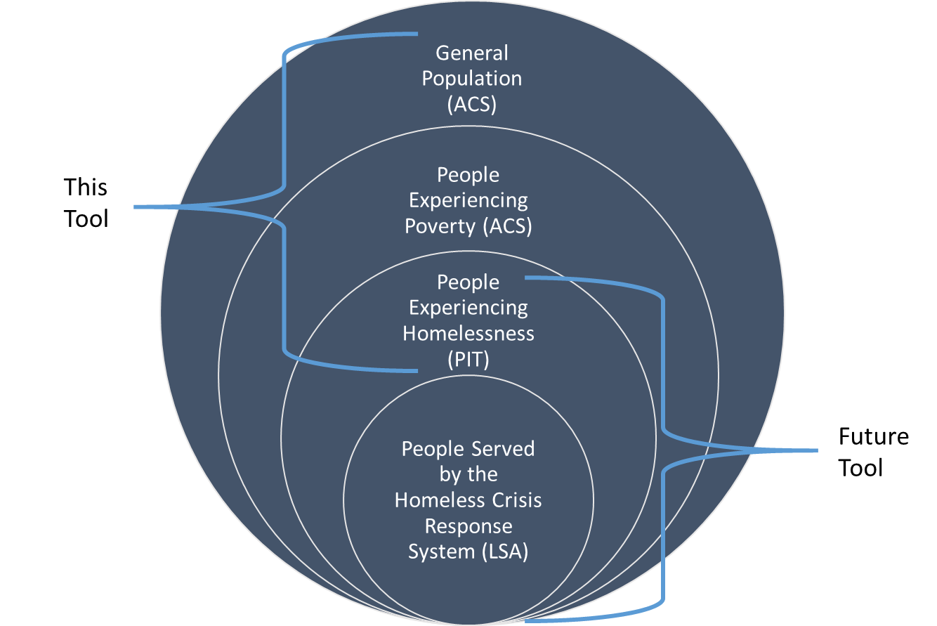
Additional Resources
 | NAEH: Racial Disparities in Homelessness in the United States
 | USICH: How to Start Addressing Racial Disparities in Your Community

